Professional Skin Care
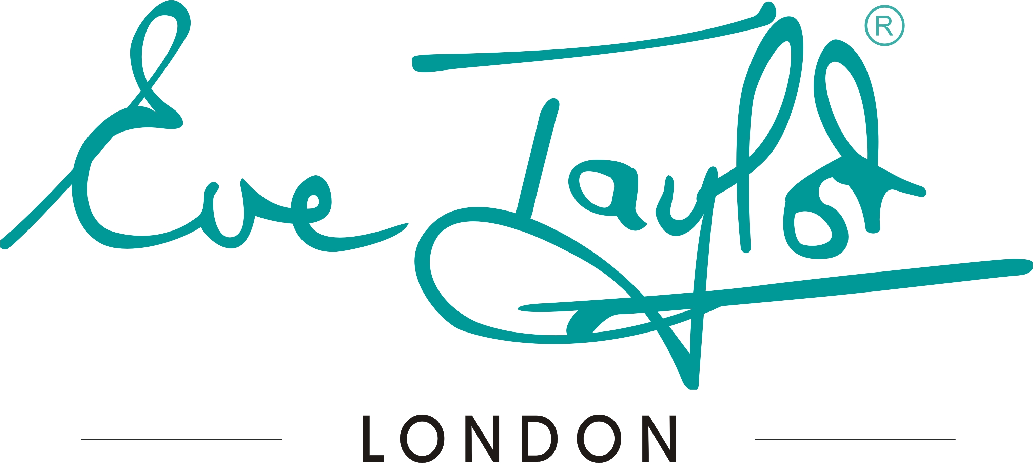

 |  |  |  | Par Stock Level | In Stock | Order |  |  |  |  | Par Stock Level | In Stock | Order
SKINCARE PROFESSIONAL

ULTRA-SOOTHING | PRICE | SIZE | CODE |  |  |  | TARGET | PRICE | SIZE | CODE
Ultra-Soothing Cleanser | £8.60 | 250ml | KPUSC250 |  |  | 0 | Micellar Cleanse Eye & Lip | £10.00 | 250ml | KPEMU |  |  | 0
Ultra-Soothing Cleanser | £15.24 | 500ml | KPUSC |  |  | 0 | Clear Cleanse | £10.10 | 250ml | KPCCO250 |  |  | 0
Ultra-Soothing Toner | £8.66 | 250ml | KPUST250 |  |  | 0 | Clear Cleanse | £15.90 | 500ml | KPCCO |  |  | 0
Ultra-Soothing Toner | £13.95 | 500ml | KPUST |  |  | 0 | Clarifying Skin Wash | £18.12 | 500ml | KPSW |  |  | 0
Ultra-Soothing Moisture Cream | £11.54 | 250ml | KPUSMC |  |  | 0 | Micro-fine Daily Exfoliant | £25.50 | 170gm | KPMF |  |  | 0
 |  |  |  |  |  |  | Bio Cream Exfoliant | £17.70 | 250ml | KPAA |  |  | 0
SOOTHING | PRICE | SIZE | CODE |  |  |  | Enzyme Peel | £13.61 | 100ml | KPEPM |  |  | 0
Soothing Cleanser | £6.25 | 250ml | KPSCL250 |  |  | 0 | Exfoliating Scrub | £9.76 | 250ml | KPEX |  |  | 0
Soothing Cleanser | £10.60 | 500ml | KPSCL |  |  | 0 | Exfoliating Scrub | £16.26 | 500ml | KPEX1 |  |  | 0
Soothing Toner | £7.30 | 250ml | KPST250 |  |  | 0 | Refining Eye Gel | £6.00 | 100ml | KPEYG |  |  | 0
Soothing Toner | £11.30 | 500ml | KPST |  |  | 0 | Moisturising Solar Shield SPF25 | £12.90 | 250ml | KPSSP |  |  | 0
Soothing Moisture Lotion | £6.20 | 250ml | KPSML250 |  |  | 0 | Daily Skin Defence Moisturiser SPF50 | £23.49 | 250ml | KPDSD |  |  | 0
Soothing Moisture Lotion | £10.50 | 500ml | KPSML |  |  | 0
Soothing Cream | £10.40 | 250ml | KPSMC |  |  | 0 | MASQUES | PRICE | SIZE | CODE
Soothing Masque | £9.80 | 250ml | KPSM |  |  | 0 | Bio Peel-off Masque | £14.00 | PKT 5 | KPBIO |  |  | 0
 |  |  |  |  |  |  | Brightening Peel-off Masque | £14.00 | PKT 5 | KPBRI |  |  | 0
BALANCING | PRICE | SIZE | CODE |  |  |  | ClarIfying Peel-off Masque | £14.00 | PKT 5 | KPCLA |  |  | 0
Balancing Cleanser | 6.25 | 250ml | KPBCL250 |  |  | 0 | Cryogenic Peel-off Masque | £14.00 | PKT 5 | KPCRY |  |  | 0
Balancing Cleanser | 10.60 | 500ml | KPBCL |  |  | 0 | Lip Contour Peel-off Masque | £9.50 | PKT 5 | KPLM |  |  | 0
Balancing Toner | 7.30 | 250ml | KPBT250 |  |  | 0 | Eye Contour Peel-off Masque | £9.50 | PKT 5 | KPEM |  |  | 0
Balancing Toner | 11.30 | 500ml | KPBT |  |  | 0 | Refining Clay Masque | £15.72 | 250ml | KPRCM |  |  | 0
Balancing Moisture Lotion | 6.20 | 250ml | KPBML250 |  |  | 0 | Colloidal Oatmeal Masque | £13.15 | 1Kg | KPOM |  |  | 0
Balancing Moisture Lotion | 10.50 | 500ml | KPBML |  |  | 0 | Colloidal Activator | £6.70 | 250ml | KPCA250 |  |  | 0
Balancing Moisture Cream | 10.40 | 250ml | KPBMC |  |  | 0 | Colloidal Activator | £11.75 | 500ml | KPCA |  |  | 0
Balancing Masque | 9.80 | 250ml | KPBM |  |  | 0
 |  |  |  |  |  |  | AROMATIC SERUM | PRICE | SIZE | CODE
PURIFYING | PRICE | SIZE | CODE |  |  |  | Soothing Aromatic Serum (No.1) | £7.60 | 35ml | P1 |  |  | 0
Purifying Wash | £6.25 | 250ml | KPPW250 |  |  | 0 | Calming Aromatic Serum (No.2) | £7.60 | 35ml | P2 |  |  | 0
Purifying Wash | £10.60 | 500ml | KPPW |  |  | 0 | Clearing Aromatic Serum (No.3) | £7.60 | 35ml | P3 |  |  | 0
Purifying Toner | £7.30 | 250ml | KPPT250 |  |  | 0 | Balancing Aromatic Serum (No 4) | £7.60 | 35ml | P4 |  |  | 0
Purifying Toner | £11.30 | 500ml | KPPT |  |  | 0 | Revitalising Aromatic Serum (No.5) | £7.60 | 35ml | P5 |  |  | 0
Purifying Moisture Lotion | £6.20 | 250ml | KPPML250 |  |  | 0 | Rejuvenating Aromatic Serum (No 6) | £7.60 | 35ml | P6 |  |  | 0
Purifying Moisture Lotion | £10.50 | 500ml | KPPML |  |  | 0
Purifying Moisture Cream | £10.40 | 250ml | KPPMC |  |  | 0 | RESPONSE SERUMS + | PRICE | SIZE | CODE
Purifying Masque | £9.80 | 250ml | KPPM |  |  | 0 | Oxygen Response Serum (+) | £12.00 | 50ml | KPOXY |  |  | 0
 |  |  |  |  |  |  | Pigment Response Serum (+) | £17.00 | 50ml | KPPGT |  |  | 0
AGE RESIST | PRICE | SIZE | CODE |  |  |  | Sebum Response Serum (+) | £11.50 | 50ml | KPSER |  |  | 0
Dynamic Resurfacing Cleanser | £15.14 | 250ml | KPDRC |  |  | 0 | Timeline Response Serum (+) | £17.30 | 50ml | KPTM |  |  | 0
Dynamic Hydrating Toner | £9.95 | 250ml | KPDHT |  |  | 0
Anti-Oxidant Masque | £32.60 | 250ml | KPPCM |  |  | 0 | FACE MASSAGE | PRICE | SIZE | CODE
Resurfacing Cream Exfoliant | £17.85 | 250ml | KPAC |  |  | 0 | Soothing Face Massage Oil | £7.75 | 250ml | SFS |  |  | 0
Hydrating Serum (+) | £20.70 | 50ml | KPHA |  |  | 0 | Clearing Face Massage Oil | £7.60 | 250ml | SFCL |  |  | 0
Brightening Serum (+) | £26.75 | 50ml | KPTA |  |  | 0 | Revitalising Face Massage Oil | £7.60 | 250ml | SFR |  |  | 0
Firming Serum (+) | £16.00 | 50ml | KPQ10 |  |  | 0 | Delicate Face Massage Oil | £7.65 | 250ml | SFD |  |  | 0
Retinoid Renew Complex | £14.50 | 50ml | KPRR |  |  | 0 | Organic Massage Base Cream | £6.05 | 250ml | VOMC |  |  | 0
Nourishing Serum | £16.00 | 50ml | KPRS |  |  | 0
Nourishing Eye Complex | £24.65 | 50ml | KPEC |  |  | 0 | ELECTRICAL GEL | PRICE | SIZE | CODE
Replenishing Neck Cream | £7.10 | 250ml | KPNEC |  |  | 0 | Desincrustation Gel (-) | £8.73 | 250ml | KPDL |  |  | 0
Morning Moisturiser | £16.21 | 250ml | KPMC250 |  |  | 0 | Desincrustation Gel (-) | £15.46 | 500ml | KPDL1 |  |  | 0
Moisturising Day Cream SPF30 | £17.83 | 250ml | KPDC |  |  | 0 | Electro Gel (+/-) | £9.41 | 250ml | KPEG250 |  |  | 0
Nourishing Night Cream | £15.21 | 250ml | KPNC |  |  | 0 | Electro Gel (+/-) | £15.78 | 500ml | KPEG |  |  | 0
C + Bright Priming Moisturiser SPF30 | £29.44 | 250ml | KPBC |  |  | 0
 |  |  |  |  |  |  | HYDROLAT | PRICE | SIZE | CODE
THERAPIST TOOLS |  |  |  |  |  |  | Chamomile Hydrolat | 5.20 | 250ml | WCHR |  |  | 0
Hand Held Magnifying Lamp | £10.00 | Each | MCMAG |  |  | 0 | Lavender Hydrolat | 5.20 | 250ml | WLAV |  |  | 0
Fan Masque Brush | £2.00 | Each | MFFB |  |  | 0 | Lemon Hydrolat | 5.20 | 250ml | WLMN |  |  | 0
Ultrasonic Micro-therapy Device | £60.00 | Each | MCMIC |  |  | 0 | Orange Hydrolat | 5.20 | 250ml | WORA |  |  | 0
Mixing Bowl& Spatual (Medium) | £9.00 | Each | MFMB |  |  | 0 | Peppermint Hydrolat | 5.20 | 250ml | WPEP |  |  | 0
Mixing Bowl & Spatual (Small) | £8.00 | Each | MFMBS |  |  | 0 | Rose Hydrolat | 5.20 | 250ml | WROS |  |  | 0
Headband with Eve Taylor Logo | £3.80 | Each | MCHB |  |  | 0 | Geranium Hydrolat | 5.20 | 250ml | WGER |  |  | 0
Consultation Cards | £5.00 | PK25 | MCRC25 |  |  | 0 | Teatree Hydrolat | 5.20 | 250ml | WTEA |  |  | 0

SUBJECT TO QUALIFICATION - BEAUTY THERAPY NVQ LEVEL 2 OR ABOVE
These prices are subject to change without notice
Although we do try to ensure that new pricelists are prepared regularly

